Introduction
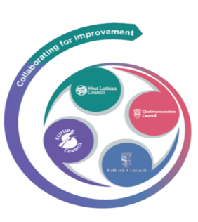 Forth Valley and West Lothian RIC
Attendance Self Evaluation Tool

We recommend that you watch the Attendance Playlist videos prior to completing the self-evaluation toolkit. | Attendance Videos Playlist
This review document is a tool to help schools identify where there is good practice in relation to reducing pupil absence, and where futher strategies need to be developed to ensure maximum attendance for pupils at the school. It is a RAG document. Only one X should be entered for each statement. At the end of each section, the document will give an average RAG rating.
Supporting resources are available on a separate tab to support areas of development identified through the self-evaluation process.
Please ensure you complete all sections
Many thanks to Birmingham Council for permission to use their original document we have based this toolkit on.
Please give us feedback using the evaluation form using this link > | Interactive Attendance Guide evaluation

